Model
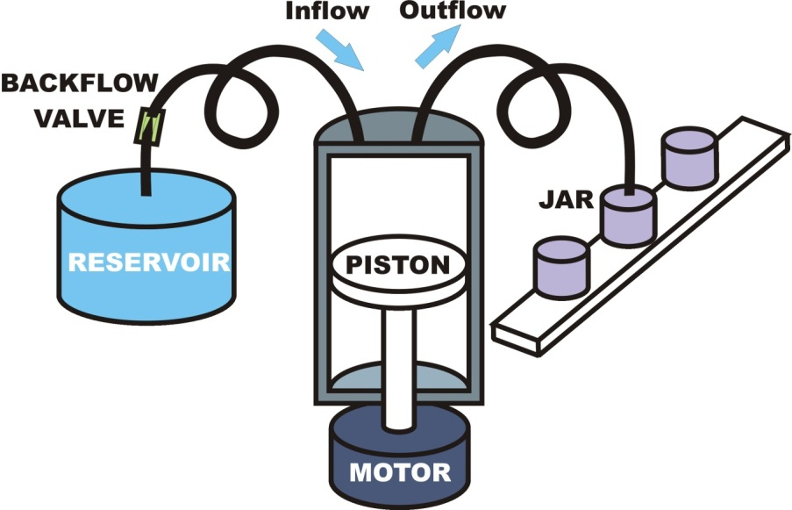
DFSS Liquid Pump Stochastic Optimization |  |  |  |  |  |  |  |  | Learn about model
Flow Rate response equation:
F = (K p R2L - B) S

Legend:
F = Flow Rate (ml / sec) | L = Stroke Length (mm)
K = Constant | S = Motor Speed (rpm)
R = Piston Radius (mm) | B = Backflow (ml)

 |  | Nominal |  |  | StDev |  |  | Component
 | Component | Lower | Initial | Upper | Lower | Initial | Upper | Cost | Sampled
 | Option # | Limit | Value | Limit | Limit | Value | Limit | Function | Value

Piston Radius (mm) |  | 25.0000 | 30.0000 | 50.0000 | 0.10000 | 0.33333 | 0.33333 | $8.33 | 30.0000
Stroke Length (mm) |  | 25.0000 | 35.0000 | 100.0000 | 0.10000 | 0.33333 | 0.33333 | $14.85 | 36.0000
Motor Speed (rpm) | 3 | 30.0 | 30.00000 | 40.0 | 0.10000 | 0.24000 | 0.24000 | $3.25 | 30.0000
Backflow (ml) | 9 | 0.10 | 0.50000 | 0.50 | 0.00250 | 0.01500 | 0.01000 | $0.30 | 0.5000

Target Flow Rate |  |  | 50.5950 |  |  |  |  | FLOW RATE FORECAST (ml / sec) | 50.6467
Target Flow Rate LSL |  |  | 47.2617
Target Flow Rate USL |  |  | 53.9283 |  |  |  |  | TOTAL COST FORECAST ($) | $26.73

COST COEFFICIENTS FOR RADIUS AND LENGTH OPTIONS
Base Cost Coefficient of Piston (radius) |  |  | 0.008
"Tolerance" Cost Coefficient of Piston (tolerance) |  |  | 1.25E-01
Base Cost Coefficient of Housing (length & radius) |  |  | 0.0004
"Tolerance" Cost Coeff of Housing (radius tolerance) |  |  | 1.25E-01
"Tolerance" Cost Coeff of Housing (length tolerance) |  |  | 1.25E-01

MOTOR AND VALVE OPTION COST AND RELATED STDEV's
 |  |  | option | option | option
 |  |  | cost | nominals | stdev's
Motor Cost | Option #1 |  | $3.75 | 30.0 | 0.10000
 | Option #2 |  | $3.50 | 30.0 | 0.17000
 | Option #3 |  | $3.25 | 30.0 | 0.24000
 | Option #4 |  | $5.00 | 35.0 | 0.10000
 | Option #5 |  | $4.50 | 35.0 | 0.17000
 | Option #6 |  | $4.25 | 35.0 | 0.24000
 | Option #7 |  | $6.75 | 40.0 | 0.10000
 | Option #8 |  | $6.25 | 40.0 | 0.17000
 | Option #9 |  | $6.00 | 40.0 | 0.24000
Backflow Valve Cost | Option #1 |  | $2.25 | 0.10 | 0.00500
 | Option #2 |  | $2.00 | 0.10 | 0.01000
 | Option #3 |  | $1.75 | 0.10 | 0.01500
 | Option #4 |  | $1.25 | 0.30 | 0.00500
 | Option #5 |  | $1.00 | 0.30 | 0.01000
 | Option #6 |  | $0.75 | 0.30 | 0.01500
 | Option #7 |  | $0.50 | 0.50 | 0.00500
 | Option #8 |  | $0.40 | 0.50 | 0.01000
 | Option #9 |  | $0.30 | 0.50 | 0.01500

